Customer Dashboard
AIMS Bin Collection - Customer Dashboard

3 vehicles | 08-Jun-2026 to 10-Jun-2026 | lift cycle: Param463 >= 90, DIS1=1, speed <5, then reset below 90

588 Valid Lift Cycles |  | 254 Matched <=15m |  | 199 Near 15-30m |  | 52 Near 30-50m |  | 83 Unmatched >50m |  |  | 4248 Expected Bin Rows |  | Quick reading: Green = collected/matched Yellow/Orange = recheck coordinates Red = unmatched lift point

 |  |  |  |  |  | Vehicle-Day Lift Counts: plate and date are printed below each bar group
Lift Matching Distance Bands
Vehicle-Day Lift Counts

 |  |  |  |  |  | B15365 08-Jun B15365 09-Jun B15365 10-Jun B23276 08-Jun B23276 09-Jun B23276 10-Jun B48419 08-Jun B48419 09-Jun B48419 10-Jun
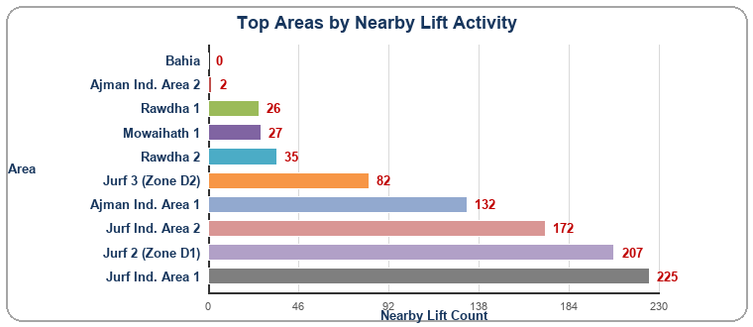

1. Lift Sensor Param463 >= 90 |  |  | 2. Vehicle Working DIS1=1 and speed<5 |  |  | 3. Reset Confirmed Angle returns <90 |  |  |  | 4. Match Location <=15m / 15-30 / 30-50 / >50
 |  | -> |  |  | -> |  |  | ->

Customer interpretation: 254 lift cycles were matched inside the expected 15m bin radius. 251 lift cycles are near/recheck candidates within 15-50m, which can help correct shifted bin coordinates. 83 lift cycles are unmatched beyond 50m and should be reviewed as possible missing/new bin locations or route exceptions.

Vehicle-Day chart labels use Plate | Date. Source values are shown from row 49 onward for transparency.

 |  |  | Plate | Day | Valid Lifts | Matched <=15m | Near 15-30m | Near 30-50m | Unmatched >50m |  | Area | Nearby Lifts | Not Detected
Helper Data |  |  | B15365 BC | 2026-06-08 | 82 | 41 | 24 | 4 | 13 |  | Jurf Ind. Area 1 | 225 | 187
Band | Lifts |  | B15365 BC | 2026-06-09 | 79 | 28 | 28 | 5 | 18 |  | Jurf 2 (Zone D1) | 207 | 107
Matched <=15m | 254 |  | B15365 BC | 2026-06-10 | 66 | 33 | 17 | 1 | 15 |  | Jurf Ind. Area 2 | 172 | 173
Near 15-30m | 199 |  | B23276 BC | 2026-06-08 | 107 | 61 | 30 | 3 | 13 |  | Ajman Ind. Area 1 | 132 | 271
Near 30-50m | 52 |  | B23276 BC | 2026-06-09 | 77 | 29 | 25 | 13 | 10 |  | Jurf 3 (Zone D2) | 82 | 319
Unmatched >50m | 83 |  | B23276 BC | 2026-06-10 | 129 | 55 | 58 | 6 | 10 |  | Rawdha 2 | 35 | 439
 |  |  | B48419 | 2026-06-08 | 17 | 3 | 6 | 6 | 2 |  | Mowaihath 1 | 27 | 244
 |  |  | B48419 | 2026-06-09 | 16 | 2 | 6 | 8 | 0 |  | Rawdha 1 | 26 | 265
 |  |  | B48419 | 2026-06-10 | 15 | 2 | 5 | 6 | 2 |  | Ajman Ind. Area 2 | 2 | 609
 |  |  |  |  |  |  |  |  |  |  | Bahia | 0 | 19

